BRIEF

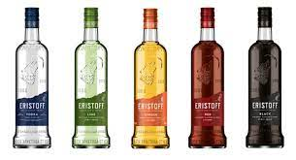

You've just been recruited as ERISTOFF Brand owner for BACARDI MARTINI company.

Your Marketing director requested a Category review, for whole VODKA category.
As you lack of background on this category, you will have to perform an indepth analysis on the whole category and its brands.
What are the opportunities on the category? What is ERISTOFF status versus its competitors, at total VODKA and segments level (NATURE and ARO) ?
What are ERISTOFF successes? errors across the 2 last years?

We are suggesting to analyze the NielsenIQ data set, following the analytical pathway (on both Scantrack and Panel)
 | • Understand the VODKA category segments : NATURE and ARO.
 | • Analyze the ERISTOFF portfolio within the category and versus the competitors

When completing this analysis step (15 Slides), you will be able to build a synthesis, including:
 | • SCQA
 | • SWOT analysis
 | • Your recommendations regarding short term action plan to boost the sales (1 Slide)
 | • Your recommendations regarding long term action plan to ensure sustainable growth across the next 3 years (1 Slide)

NB:
Eristoff is an iconic brand on the Vodkas market. Historically, the brand was positioned as mainstream but a few years ago, it operated a price uplift and now stands within the mid price tier area of the market.
Eristoff is only one of the two Bacardi Martini France group Vodkas' brands (along with Grey Goose, a super premium brand).

Scantrack schema
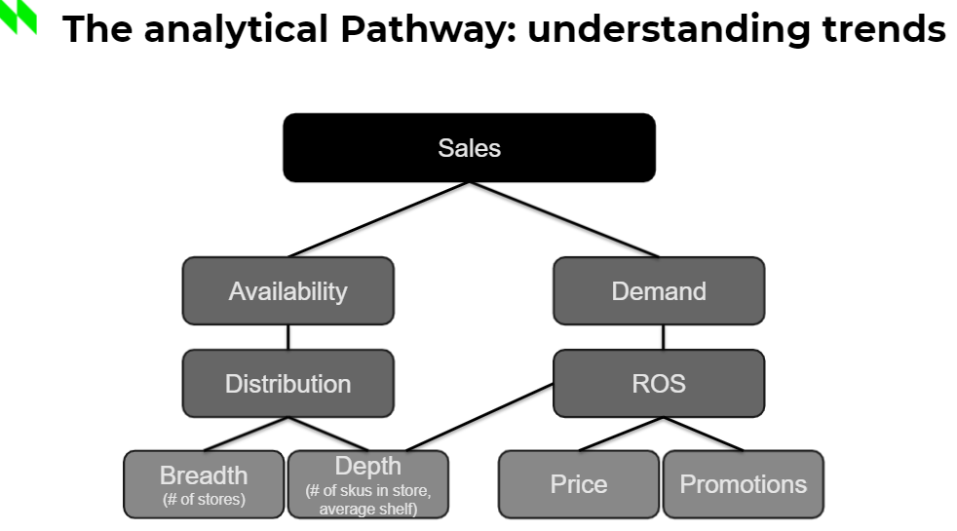

Panel schema
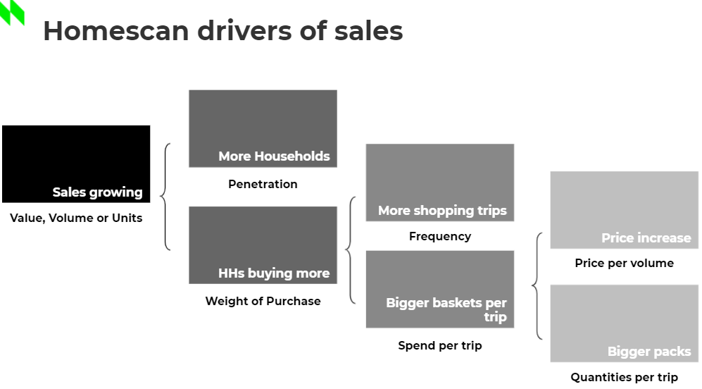

FMCG data
Super Categories dynamic
Banners HMSM - MAT vs MAT-1

 | MAT | Sales Value %change | Value Market share | Wins and Losts contributon | Sales Volumes (in UC) % change

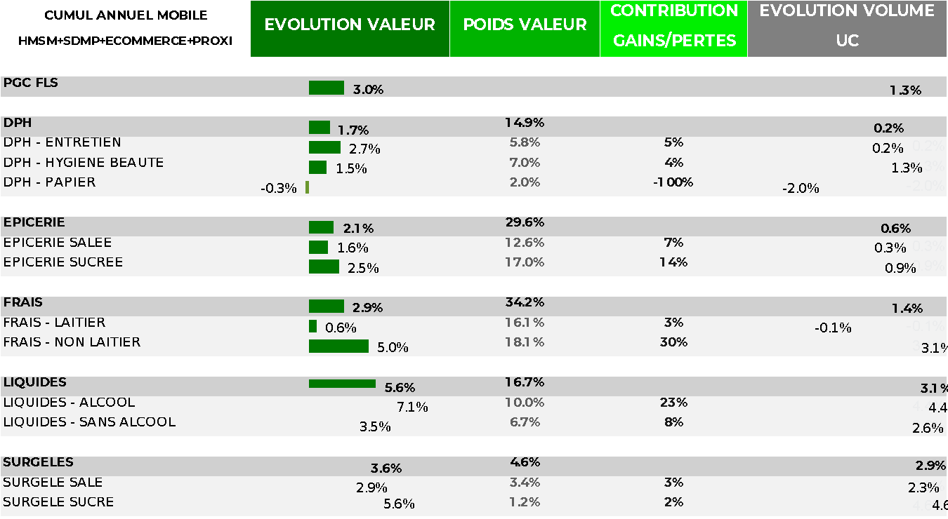

 |  |  |  |  |  | FMCG

 |  |  |  |  |  | DPH
 |  |  |  |  |  |  | HOME CARE
 |  |  |  |  |  |  | PERSONAL CARE
 |  |  |  |  |  |  | PAPER PRODUCTS
 |  |  |  |  |  | GROCERY
 |  |  |  |  |  |  | SALTED GROCERRY
 |  |  |  |  |  |  | SAVOURY GROCERY
 |  |  |  |  |  | FRESH GOODS
 |  |  |  |  |  |  | DAIRY PRODUCTS
 |  |  |  |  |  |  | NON DAIRY PRODUCTS

 |  |  |  |  |  | BEVERAGES
 |  |  |  |  |  |  | ALCOHOLIC BEVERAGES
 |  |  |  |  |  |  | NON ALCOHOLLIC BEVERAGES
 |  |  |  |  |  | FROZEN GOODS
 |  |  |  |  |  |  | SALTED FROZEN GOODS
 |  |  |  |  |  |  | SUGARED FROZZEN GOODS

Channels dynamic
MAT vs MAT -1 (data ending 18/07/21)
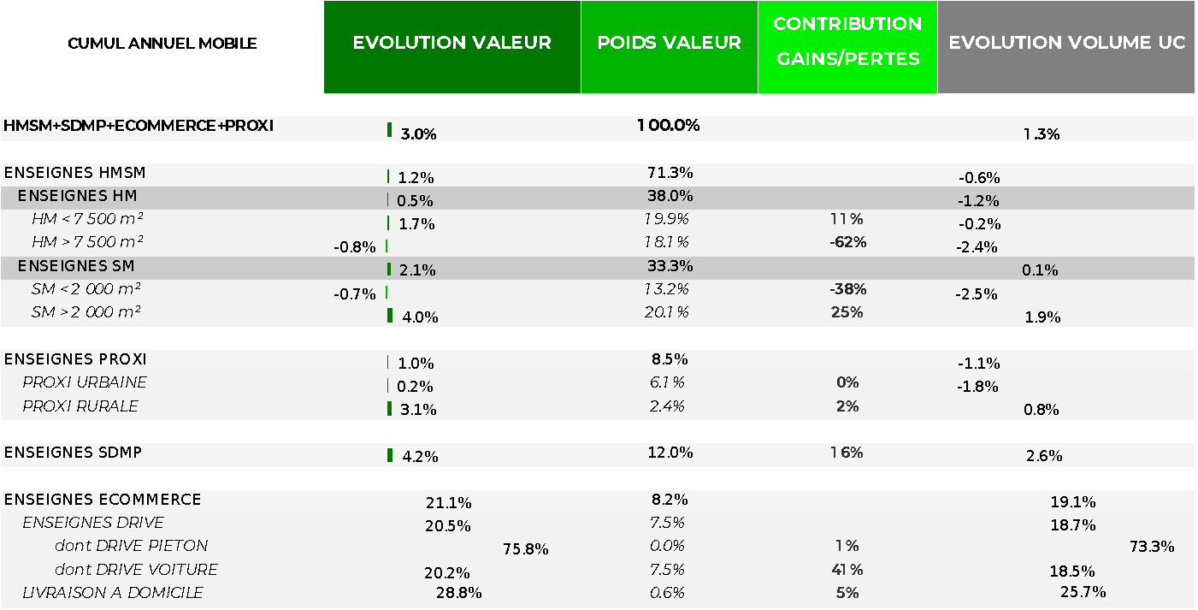

 |  |  |  |  |  | TOTAL FRANCE (all banners)

 |  |  |  |  |  | HM SM BANNERS
 |  |  |  |  |  | HM BANNERS

 |  |  |  |  |  | SM BANNERS

 |  |  |  |  |  | Proxi = Convenience stores

 |  |  |  |  |  | SDMP = Supermarkets with a majority of Private Labels (ex Hard Discounters)

 |  |  |  |  |  | Ecommerce
 |  |  |  |  |  | DRIVE = Click and collect

 |  |  |  |  |  | LAD = Livraison à domicile = Home Delivery

